Sheet1
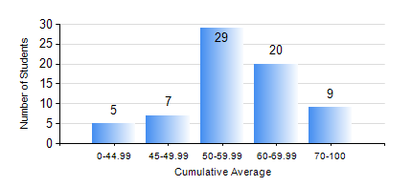
 |  |  | KWAME NKRUMAH UNIVERSITY OF SCIENCE AND TECHNOLOGY, KUMASI Department of Mechanical Engineering

 |  |  | BSC. INDUSTRIAL ENG.

 |  |  | COMPREHENSIVE RECORD OF EXAMINATION RESULTS

 |  |  | RESULTS OF YEAR 1 FIRST SEMESTER, 2022/2023 ACADEMIC YEAR

 | Sn | Course Code |  | Course Name | Credit Hours | Min. Mark | Max. Mark | Avg. Mark | Std. Dev. | No. Passed | No. Trailed | No. (Df) | No. (I) | No. (I*) | No. Tagged(I,I*,Df) | Total
 | 1. | CE 155 |  | ENVIRONMENTAL STUDIES | 2 | 46 | 84 | 67 | 9.97 | 70 | 0 | 0 | 0 | 0 | 0 | 70
 | 2. | EE 151 |  | APPLIED ELECTRICITY | 3 | 23 | 71 | 45 | 9.97 | 57 | 13 | 0 | 0 | 0 | 0 | 70
 | 3. | ENGL 157 |  | COMMUNICATION SKILLS I | 2 | 30 | 77 | 58 | 11.95 | 66 | 4 | 0 | 0 | 0 | 0 | 70
 | 4. | MATH 151 |  | ALGEBRA | 4 | 31 | 90 | 65 | 13.34 | 68 | 2 | 0 | 0 | 0 | 0 | 70
 | 5. | ME 157 |  | INTRODUCTION TO INFORMATION TECHNOLOGY | 2 | 40 | 77 | 54 | 9.78 | 70 | 0 | 0 | 0 | 0 | 0 | 70
 | 6. | ME 159 |  | TECHNICAL DRAWING | 3 | 40 | 82 | 58 | 10.3 | 70 | 0 | 0 | 0 | 0 | 0 | 70
 | 7. | ME 195 |  | ENGINEERING TECHNOLOGY I | 2 | 19 | 82 | 60 | 11.37 | 69 | 1 | 0 | 0 | 0 | 0 | 70

